Instructions
 | Cashflow Template Instructions

Overview and Orientation to Spreadsheet |  | This cashflow template is designed to help forecast up to the first two years of business operations for a startup. There are three sheets to this spreadsheet (found at the bottom). 1) The first sheet is Instructions (where you are right now). It provides some helpful tips and guidelines to get started and has video links for a more in-depth explanation of how to use the cashflow template. 2) The second sheet is Assumptions. This allows you to pick the starting month of your business operations and make some high-level assumptions about your revenue streams and accounts receivable. 3) The third sheet is Cashflow. This is the most important sheet as it forecasts the first two years of business operations. This sheet is where you can enter your projected revenue and expenses and track your financial balance each month. The recommended order to complete the cashflow template is as follows: 1) Select starting month under Assumptions sheet. 2) Complete the Startup column under the Cashflow sheet. 3) Fill out projected expenses for the 1st year under the Cashflow sheet. 4) Fill out projected revenues for the 1st year under the Cashflow sheet. 5) Update the Cost of Goods Sold and Accounts Receivable projections under the Assumptions sheet. 6) Review the projected balances at the end of each month and determine if you have enough cash each month 7) Complete 2nd Year projections if desired 8) Review with your Business Advisor

Helpful Tips |  | 1) To make a correction in a cell, use CTRL Z to undo your last action. This prevents the cell from losing a built-in formula.
 |  | 2) Cells are colour-coded throughout the spreadsheet. See meanings below
 |  |  | a) Headings for neutral and positive cashflow categories
 |  |  | b) Headings for negative cashflow categories
 |  |  | c) Cells with formulas
 |  |  | d) Cells with totals and sums for neutral and positive cashflow categories
 |  |  | e) Cells with totals and sums for negative cashflow categories
 |  |  | f) Cells that require inputs
 |  |  | g) There are cells with conditional formatting which may be green, yellow, or red depending on the balance or total
 |  | 3) All cells are protected or locked except for the ones which require your input. This is to help prevent an important formula from being deleted
 |  | 4) If you would like to modify the spreadsheet, you can click Unprotect Sheet under the Review heading in Excel.
 |  | 5) Click Protect Sheet once cell or formula edits are made to maintain the integrity of the worksheet.
 |  | 6) Please note that some formatting has been updated from when the videos were created. This shouldn't affect the information contained in the videos.

 |  | If you are having trouble with Excel, try using the template in |  |  | Google Sheets.

Video Tutorial Links |  | Click Thumbnail or hyperlinks to view video tutorials

 |  | Jump Right In - Best if you are comfortable with Excel and Cashflow Projections

 |  | https://youtu.be/UYYvsQTmyHI?si=WMsmPtLFeax-yif0

 |  | Start here for a more in-depth walkthrough of how to use this spreadsheet

 |  | https://youtu.be/hH-pFbqWRz4?si=sAXRw0pfadC5bPsJ |  |  | https://youtu.be/aSbR3yVwgNg?si=Mo3P8FHC8JHioNRT | https://youtu.be/0S5k2XWvNvQ?si=8xKsZsmSO1C0IBDG
 |  | 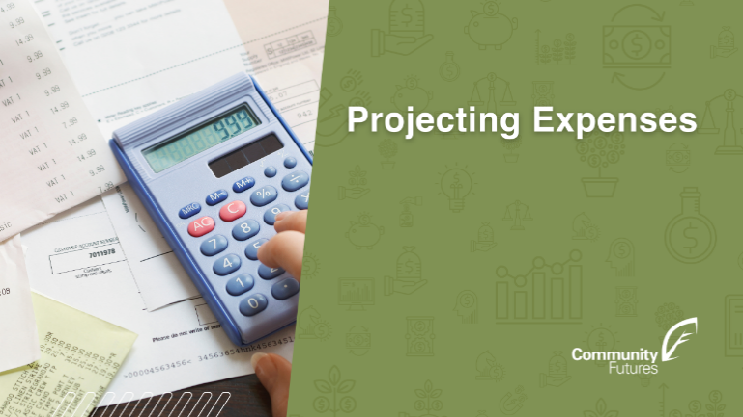 |  | 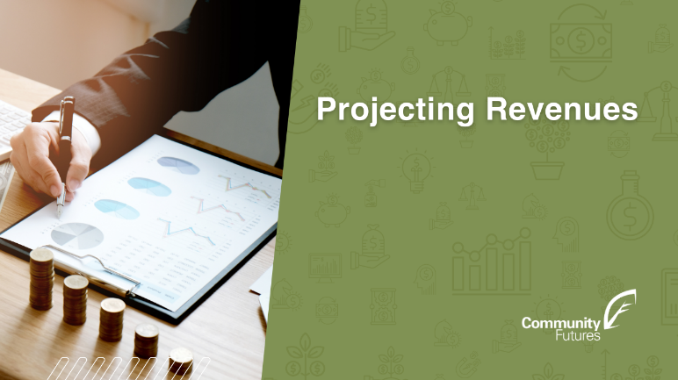

 |  | https://youtu.be/4YlRdHZAi4M?si=K37XrtoJ3Rbu0mcb |  |  | https://youtu.be/fu0xBe62wF8?si=KJIMc6HaJrMu4Nps | https://youtu.be/JMBQXrrBGfM?si=waeuMMnKpImW--kR

